Index

Sheet Index
 | TIME FORMAT = MM:SS.ms Remember to use a fullstop between seconds and milliseconds!!
Run and Shoot Distances
Teacher Male
Teacher Female
Yr 13 B
Yr 13 G
Yr 12 B
Yr 12 G
Yr 11 B
Yr 11 G
Yr 10 B
Yr 10 G
Yr 9 B
Yr 9 G
Yr 8 B
Yr 8 G
Yr 7 B
Yr 7 G
Yr 6 B
Yr 6 G
Yr 5 B
Yr 5 G
Yr 4 B
Yr 4 G
Yr 3 B
Yr 3 G
Yr 2 B

Run and Shoot Distances
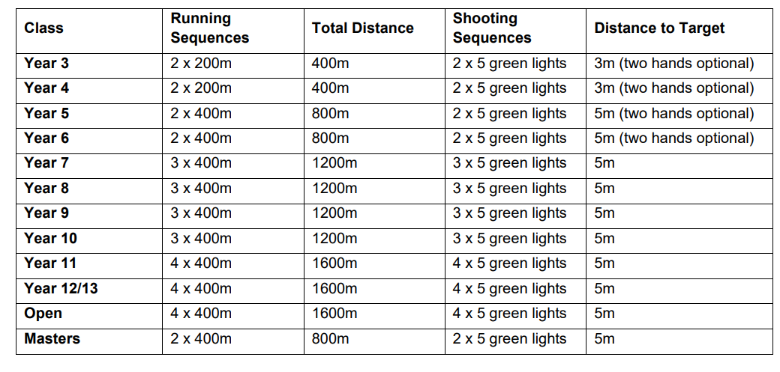
Sheet Index

